Least Squares Method
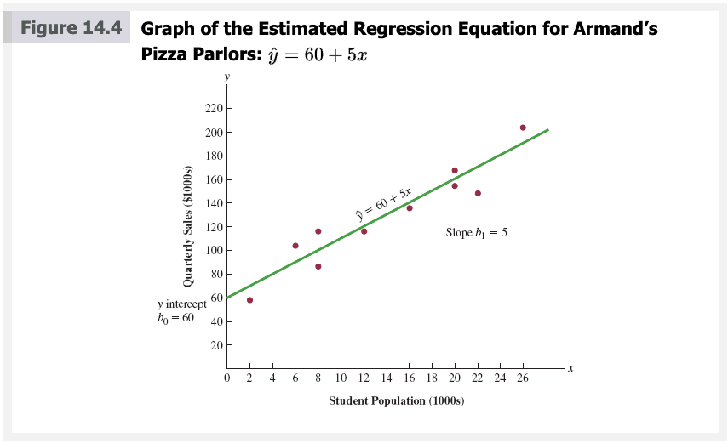
Restaurant | Population (xi) | Sales (yi) | xi-xbar | yi-ybar | (xi-xbar)(yi-ybar) | (xi-xbar)^2
1 | 2 | 58 | -12 | -72 | 864 | 144
2 | 6 | 105 | -8 | -25 | 200 | 64
3 | 8 | 88 | -6 | -42 | 252 | 36
4 | 8 | 118 | -6 | -12 | 72 | 36
5 | 12 | 117 | -2 | -13 | 26 | 4
6 | 16 | 137 | 2 | 7 | 14 | 4
7 | 20 | 157 | 6 | 27 | 162 | 36
8 | 20 | 169 | 6 | 39 | 234 | 36
9 | 22 | 149 | 8 | 19 | 152 | 64
10 | 26 | 202 | 12 | 72 | 864 | 144
Sum | 140 | 1300 |  |  | 2840 | 568
Average | 14 | 130

b1 | 5 | =F12/G12
b0 | 60 | =C13-B17*B13

x | y
16 | 140

Scatter Diagram
Restaurant | Population (xi) | Sales (yi)
1 | 2 | 58
2 | 6 | 105
3 | 8 | 88
4 | 8 | 118
5 | 12 | 117
6 | 16 | 137
7 | 20 | 157
8 | 20 | 169
9 | 22 | 149
10 | 26 | 202

Residual Plot
Normal Probability Plot
Restaurant | Population (xi) | Sales (yi)
1 | 2 | 58
2 | 6 | 105
Population (xi) Residual Plot
3 | 8 | 88
4 | 8 | 118
5 | 12 | 117
6 | 16 | 137
7 | 20 | 157
8 | 20 | 169
9 | 22 | 149
10 | 26 | 202

SUMMARY OUTPUT
Population (xi) Line Fit Plot
Regression Statistics
Multiple R | 0.9501229552
R Square | 0.90273363001
Adjusted R Square | 0.89057533376
Standard Error | 13.829316686
Observations | 10

ANOVA
 | df | SS | MS | F | Significance F
Regression | 1 | 14200 | 14200 | 74.248366013 | 2.5488662853E-05
Residual | 8 | 1530 | 191.25
Total | 9 | 15730

 | Coefficients | Standard Error | t Stat | P-value | Lower 95% | Upper 95% | Lower 95.0% | Upper 95.0%
Intercept | 60 | 9.2260348097 | 6.5033355323 | 0.00018744406061 | 38.724725577 | 81.275274423 | 38.724725577 | 81.275274423
Population (xi) | 5 | 0.58026523804 | 8.6167491557 | 2.5488662853E-05 | 3.6619059616 | 6.3380940384 | 3.6619059616 | 6.3380940384
Residuals against y hat

RESIDUAL OUTPUT |  |  |  |  | PROBABILITY OUTPUT

Observation | Predicted Sales (yi) | Residuals | Standard Residuals |  | Percentile | Sales (yi)
1 | 70 | -12 | -0.92035798662 |  | 5 | 58
2 | 90 | 15 | 1.1504474833 |  | 15 | 88
3 | 100 | -12 | -0.92035798662 |  | 25 | 105
4 | 100 | 18 | 1.3805369799 |  | 35 | 117
5 | 120 | -3 | -0.23008949665 |  | 45 | 118
6 | 140 | -3 | -0.23008949665 |  | 55 | 137
7 | 160 | -3 | -0.23008949665 |  | 65 | 149
8 | 160 | 9 | 0.69026848996 |  | 75 | 157
9 | 170 | -21 | -1.6106264766 |  | 85 | 169
10 | 190 | 12 | 0.92035798662 |  | 95 | 202

 |  | Population (xi) | Standard Residuals
 |  | 2 | -0.92035798662
 |  | 6 | 1.1504474833
 |  | 8 | -0.92035798662
 |  | 8 | 1.3805369799
 |  | 12 | -0.23008949665
 |  | 16 | -0.23008949665
 |  | 20 | -0.23008949665
 |  | 20 | 0.69026848996
 |  | 22 | -1.6106264766
 |  | 26 | 0.92035798662

Influential (Leverage)
x | y
10 | 125
10 | 130
15 | 120
20 | 115
20 | 120
25 | 110
70 | 100 | High leverage

 | y
10 | 125
10 | 130
15 | 120
20 | 115
20 | 120
25 | 110
x | y
10 | 125
10 | 130
15 | 120
20 | 115
20 | 120
25 | 110

R
# Clear the environment
rm(list = ls())
# Read Excel file in R
library(readxl)
armands <- read_excel("armands.xlsx")
summary(armands)
# Examine Correlation between variables (Multiple R in Excel)
cor(armands$Population, armands$Sales)
# Simple linear regression
armands_slr <- lm(Sales ~ Population, data = armands)
armands_slr$coefficients # coefficients
# Plotting data and regression line
library(tidyverse)
armands %>% ggplot(aes(x = Population, y = Sales)) + # coordinate system
geom_point() + # scatter plot
geom_smooth(method = 'lm', se = TRUE) # abline with conf. interval (gray)
# R Squared Value
summary(armands_slr)$r.squared
# Adjusted R Squared Value
summary(armands_slr)$adj.r.squared
# Complete regression analysis
summary(armands_slr)
# Confidence and Prediction Interval
predict (armands_slr, data.frame(Population = 10), interval = "confidence", conf.level = 0.95)
predict (armands_slr, data.frame(Population = 10), interval = "prediction", conf.level = 0.95)
# Residual analysis (method 1)
armands$predicted <- fitted(armands_slr)
armands$residuals <- residuals(armands_slr)
armands$std_residuals <- rstandard(armands_slr)
# Residual plot against x
armands %>% ggplot(aes(x = Population, y = residuals)) +
geom_point() +
geom_smooth(method = 'lm', se = FALSE) + # we observe no pattern
geom_smooth() # we observe no pattern
# Residual plot against y-hat
armands %>% ggplot(aes(x = predicted, y = residuals)) +
geom_point() +
geom_smooth(method = 'lm', se = FALSE) + # we observe no pattern
geom_smooth() # we observe no pattern
# Standard residual plot against x
armands %>% ggplot(aes(x = Population, y =std_residuals)) +
geom_point() +
geom_smooth(method = 'lm', se = FALSE) + # we observe no pattern
geom_smooth() # we observe no pattern
# QQ Plot (method 1)
qplot(sample = armands$std_residuals)
# QQ Plot (method 2)
armands %>% ggplot(aes(sample = std_residuals)) +
geom_qq() +
geom_qq_line()
# Calculating Leverage (Hat Values)
armands$hat <- hatvalues(armands_slr) #none greater than 6/10=0.6
qplot (armands$Population, armands$hat) +
geom_hline(yintercept=0.6, linetype="dashed", color = "red")
# Residual analysis (method 2)
plot(armands_slr, which = 1) # produces 5 plots
# 1 = residuals versus fitted
# 2 = QQ plot
# 3 = Scale-Location
# 4 = Cook's Distance
# 5 = Williams-like Graph
plot(armands_slr, which = 4) #none greater than 4/10=0.4
armands$cook <- cooks.distance(armands_slr)
# Cook's distance is a combination of leverage and residual values
# The higher the leverage and residuals, the higher the Cook’s distance.
# Investigate any point over 0.5, values over 1.0 are influential
plot(armands_slr, which = 5) #none greater than 4/10=0.4
# in this plot (leverage ~ std) we are looking for values lying outside dashed line

